1.Main Page
Tag Name | Data Type | Read/Write | Description | Check Condition
System2_MachineStatus.str_MachineStatus | STRING_20 | Read | Display Only. Eg: Running/Idle/Stop/Initialise/Dry Run/Error/Warning/Disabled

Tag Name | Data Type | Read/Write | Description | Check Condition
System2_MC_Tag.EngineeringMode | BOOL | Read | Engineering Mode | Green when true, Red when false
System2_MC_Tag.StationJogMode | BOOL | Read | Jog Mode | Green when true, Red when false
System2_MC_Tag.StationCycleMode | BOOL | Read | Station Cycle Mode | Green when true, Red when false
System2_MC_Tag.str_MachineSpeed | String | Read | Machine Speed
Lot_OEE_Tags.dint_ProductionUPH | DINT | Read | Production UPH
Lot_OEE_Tags.dint_SprintUPH | DINT | Read | Sprint UPH
Lot_OEE_Tags.dint_TaktTime | DINT | Read | Takt Time
Read from HMI Config |  | Read | Station
Read from HMI Config |  | Read | Line
Read from HMI Config |  | Read | Site
Read from HMI Config |  | Read | Date Time
HMI check connection | N/A | N/A | Dexcom DB Connection | Green when connected, Red when down
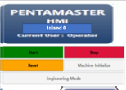
Tag Name | Data Type | Read/Write | Description | Check Condition
Read from HMI Config |  | Read | Machine Name
HMI_Tags.StartButton | BOOL | Read & Write | Start
HMI_Tags.StopButton | BOOL | Read & Write | Stop
HMI_Tags.ResetButton | BOOL | Read & Write | Reset
System2_MC_Tag.MachineInit | BOOL | Read & Write | Machine Initialise | ** only Enable if MC_System_Tags.MachineRunning = False
System2_MC_Tag.EngineeringMode | BOOL | Read & Write | Engineering Mode | only enable when logged in as admin and higher

Mute Button
Tag Name | Data Type | Read/Write | Description | Check Condition
HMI_Bypass_Buzzer | Bool | Read/Write

Lot Info
Tag Name | Data Type | Read/Write | Description | Check Condition
str_FrmSys1_LotID | String | Read
str_FrmSys1_OperatorID | String | Read
dint_FrmSys1_Lot_Quantity | dint | Read
dint_FrmSys1_BatteryType | dint | Read |  |  | 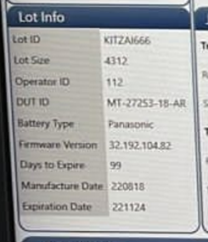

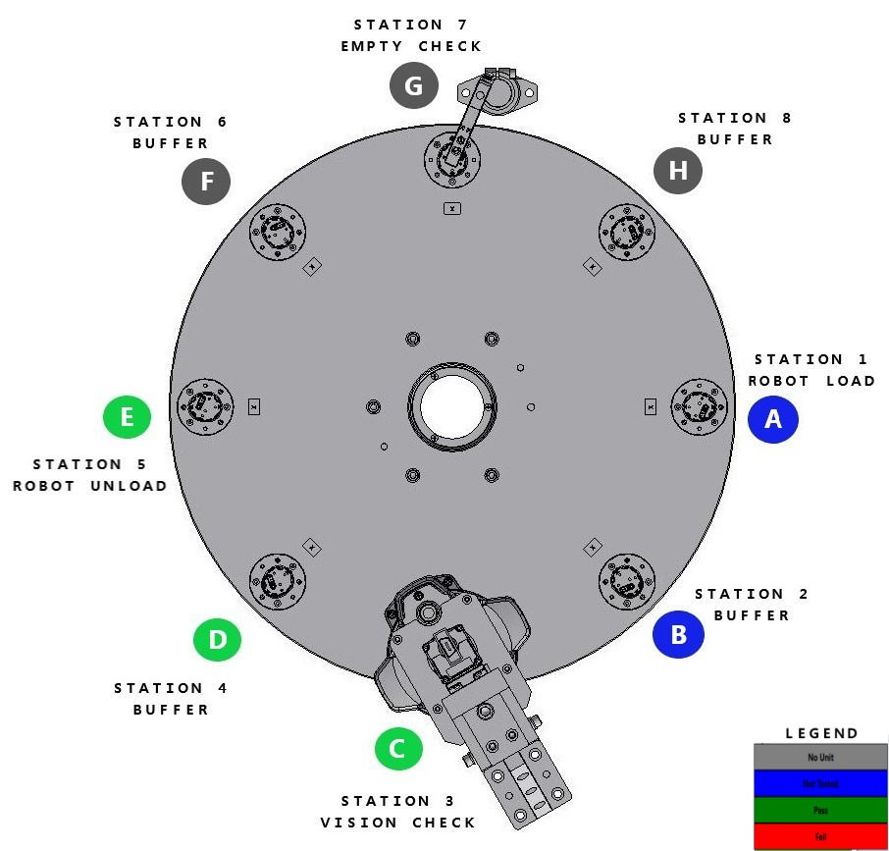
Station Info | ***Each Station Will Display Current Nest Code & Current Nest Status
Tag Name | Data Type | Read/Write | Description | Check Condition |  | Legend
Station_1.DUT_Status | Int | Read | Station 1 Robot Load |  |  | DUT Status | Description | Colour
Station_2.DUT_Status | Int | Read | Station 2 Buffer |  |  | 0 | No Unit | Grey
Station_3.DUT_Status | Int | Read | Station 3 Vision Check |  |  | 1 | Not Tested Unit | Blue
Station_4.DUT_Status | Int | Read | Station 4 Buffer |  |  | 10 | Pass | Green
Station_5.DUT_Status | Int | Read | Station 5 Robot Unload |  |  | 11 | Fail | Red
Station_6.DUT_Status | Int | Read | Station 6 Buffer
Station_7.DUT_Status | Int | Read | Station 7 Empty Check
Station_8.DUT_Status | Int | Read | Station 8 Buffer

Tag Name | Data Type | Read/Write | Description | Check Condition |  | * Configurable in txt file
Station_1.Nest_Code | String | Read | Station 1 Robot Load
Station_2.Nest_Code | String | Read | Station 2 Buffer
Station_3.Nest_Code | String | Read | Station 3 Vision Check
Station_4.Nest_Code | String | Read | Station 4 Buffer
Station_5.Nest_Code | String | Read | Station 5 Robot Unload
Station_6.Nest_Code | String | Read | Station 6 Buffer
Station_7.Nest_Code | String | Read | Station 7 Empty Check
Station_8.Nest_Code | String | Read | Station 8 Buffer

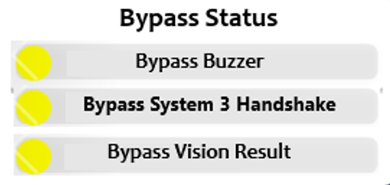
ByPass Status
Tag Name | Data Type | Read/Write | Description | Check Condition
HMI_Bypass_Buzzer | BOOL | Read | Bypass Buzzer | Green when true, Red when false
b_System3_HandshakeEnable | BOOL | Read | Bypass System 3 Handshake | Green when true, Red when false
HMI_Bypass_Vision_Result | BOOL | Read | Bypass Vision Result | Green when true, Red when false

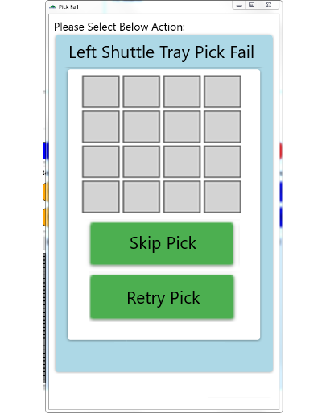
Pick Fail Prompt Window
Tag Name | Data Type | Read/Write | Description | Check Condition
b_RShuttle_Error | BOOL | Read | Right Shuttle Tray Pick Fail | When PLC Tag is True,Prompt out the Window To Let Operator Select Action.When PLC Tag is False,Automatic Close the pick fail Window.
b_LShuttle_Error | BOOL | Read | Left Shuttle Tray Pick Fail | When PLC Tag is True,Prompt out the Window To Let Operator Select Action.When PLC Tag is False,Automatic Close the pick fail Window
b_HMI_AckSkipPick | BOOL | Write | Skip Pick | Toggle Switch,After Operator Selected,Wait PLC Tag is True then turn green.
b_HMI_AckRetryPick | BOOL | Write | Retry Pick | Toggle Switch,After Operator Selected,Wait PLC Tag is True then turn green
b_Unload_Error | BOOL | Read | Unload Robot Pick Fail | When PLC Tag is True,Prompt out the Window To Let Operator Select Action.When PLC Tag is False,Automatic Close the pick fail Window.
b_HMI_UnloadAckSkipPick | BOOL | Write | Skip Pick | Toggle Switch,After Operator Selected,Wait PLC Tag is True then turn green.
b_HMI_UnloadAckRetryPick | BOOL | Write | Retry Pick | Toggle Switch,After Operator Selected,Wait PLC Tag is True then turn green

Production Info
Tag Name | Data Type | Read/Write | Description | Check Condition
Lot_OEE_Tags.dint_Total_Pass | dint | Read | Total Unit Pass
Lot_OEE_Tags.dint_Total_Fail | dint | Read | Total Unit Fail
Lot_OEE_Tags.dint_TotalProductiveUnit | dint | Read | Total Production Unit
Lot_OEE_Tags.dint_Quality | dint | Read | Current Yield

Vision Fail Info
Tag Name | Data Type | Read/Write | Description | Check Condition
ShortShot_Fail_Qty | dint | Read | Short Shot Fail
OMFF_Fail_Qty | dint | Read | OMFF Fail
BrownStrainF_Fail_Qty | dint | Read | Brown Strain Front Fail
BatClipSurface_Fail_Qty | dint | Read | Battery Clip Surface Fail
Flashing_Fail_Qty | dint | Read | Flashing Fail
FOD_Fail_Qty | dint | Read | FOD Fail
BugBubble_Fail_Qty | dint | Read | Live Bug Bubble Fail
BrownStrainB_Fail_Qty | dint | Read | Brown Strain Back Fail
MouseBite_Fail_Qty | dint | Read | Mouse Bite Fail

Software Version Display
Tag Name | Data Type | Read/Write | Description | Check Condition
HMI_str20_PLC_Version | String_20 | Read | PLC Version
HMI_str20_HMI_Version | String_20 | Read | HMI Version
HMI_str20_Robot1_Version | String_20 | Read | Load Robot Version
HMI_str20_Robot2_Version | String_20 | Read | Unload Robot Version
HMI_str20_Vision_Version | String_20 | Read | Vision Version

3. Tray Map
Tag Name | Data Type | Read/Write | Description | Check Condition | Legend
Stacker_Slot_Tracking | INT[101] | Read | Only use 1 to 16 (Unload Stacker Slot) (row : 1 , Column : 16) |  | Status | Description | Colour
RDestacker_Slot_Tracking | INT[101] | Read | Only use 1 to 16 (Right Load Destacker Slot) (row : 1 , Column : 16) |  | 0 | Empty Socket | Grey
LDestacker_Slot_Tracking | INT[101] | Read | Only use 1 to 16 (Left Load Destacker Slot) (row : 1 , Column : 16) |  | 1 | Presence | Green
HMI_Stacker_ReqChangeTray | BOOL | WRITE | "Load" |  | 2 | Vision Fail | Red
HMI_Left_DeStacker_ReqChangeTray | BOOL | WRITE | "Unload" |  | 3 | Unit Pick Done | Blue
HMI_Right_DeStacker_ReqChangeTray | BOOL | WRITE | "Unload" |  | 4 | Unit Pick Fail | Yellow
UnloadTray_Slot_Tracking | INT[101] | Read | Only use 1 to 60 (Unload Tray) (row : 6 , Column : 10) |  | 5 | Unit Drop On Tray | Yellow
LShuttle_Slot_Tracking | INT[101] | Read | Only use 1 to 16 (Left Shuttle Tray) (row : 4 , Column : 4) |  | * Configurable in txt file
RShuttle_Slot_Tracking | INT[101] | Read | Only use 1 to 16 (Right Shuttle Tray) (row : 4 , Column : 4)
HMI_Unload_ReqChangeTray | BOOL | WRITE | "Change Tray" | Change Tray Button only enable when logged in as admin and higher
HMI_LShuttle_ReqChangeTray | BOOL | WRITE | Change Tray | Change Tray Button only enable when logged in as admin and higher
HMI_RShuttle_ReqChangeTray | BOOL | WRITE | Change Tray | Change Tray Button only enable when logged in as admin and higher
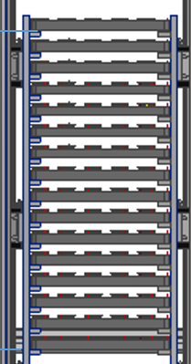
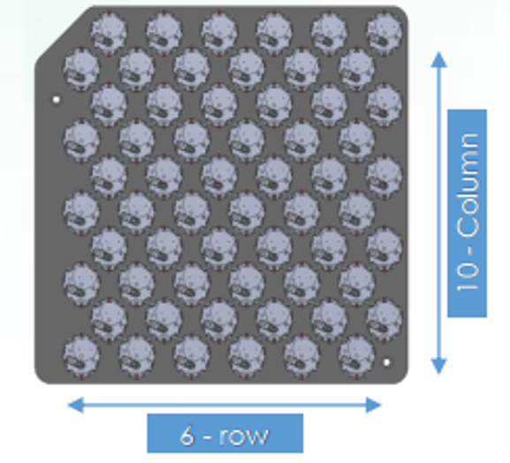
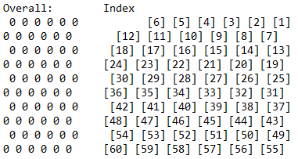
 | Slot No.16
 | Slot No.15
 | Slot No.14
 | Slot No.13
 | Slot No.12
 | Slot No.11
 | Slot No.10
 | Slot No.9
 | Slot No.8
 | Slot No.7
 | Slot No.6
 | Slot No.5
 | Slot No.4
 | Slot No.3
 | Slot No.2
 | Slot No.1

4.Shift OEE
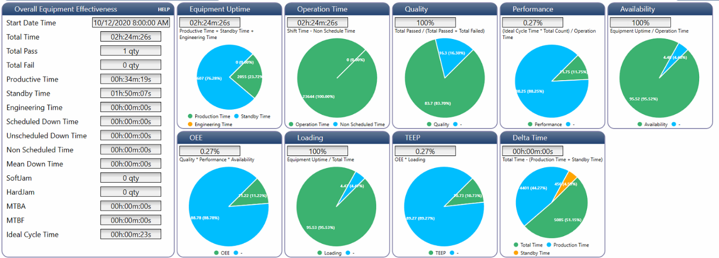

** All information shall be logged when OEE trigger reset

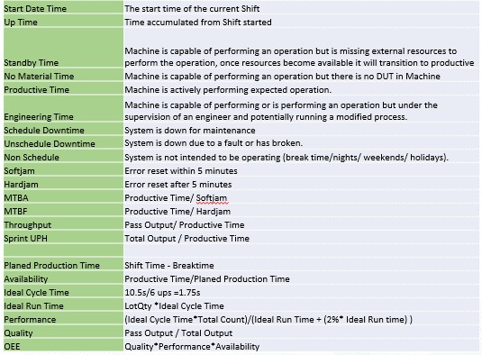
Tag Name | Data Type | Description | Need Record In Log File When Reset OEE
Shift_OEE_Tags.str_HMI_OEEStartDateTime | String | PLC Set OEE Start Date Time | Yes
Shift_OEE_Tags.dint_MachineUpTimeAccSec | Dint | PLC Prodive in Seconds Format, HMI divide into Hour, Min & Sec | Yes
Shift_OEE_Tags.dint_MachineStandbyTimeAccSec | Dint | PLC Prodive in Seconds Format, HMI divide into Hour, Min & Sec | Yes
Shift_OEE_Tags.dint_NoMaterialTimeAccSec | Dint | PLC Prodive in Seconds Format, HMI divide into Hour, Min & Sec | Yes
Shift_OEE_Tags.dint_MachineProductiveTimeAccSec | Dint | PLC Prodive in Seconds Format, HMI divide into Hour, Min & Sec | Yes
Shift_OEE_Tags.dint_MachineEngineeringTimeAccSec | Dint | PLC Prodive in Seconds Format, HMI divide into Hour, Min & Sec | Yes
Shift_OEE_Tags.dint_MachineScheduledDownTimeAccSec | Dint | PLC Prodive in Seconds Format, HMI divide into Hour, Min & Sec | Yes
Shift_OEE_Tags.dint_MachineUnscheduledDownTimeAccSec | Dint | PLC Prodive in Seconds Format, HMI divide into Hour, Min & Sec | Yes
Shift_OEE_Tags.dint_MachineNonScheduledTimeAccSec | Dint | PLC Prodive in Seconds Format, HMI divide into Hour, Min & Sec | Yes
Shift_OEE_Tags.dint_SoftJam | Dint | Machine soft jam duration | Yes
Shift_OEE_Tags.dint_HardJam | Dint | Machine hard jam duration | Yes
Shift_OEE_Tags.dint_MTBASec | Dint | PLC Prodive in Seconds Format, HMI divide into Hour, Min & Sec | Yes
Shift_OEE_Tags.dint_MTBFSec | Dint | PLC Prodive in Seconds Format, HMI divide into Hour, Min & Sec | Yes
Shift_OEE_Tags.dint_Throughput | Dint | PLC Prodive in Seconds Format, HMI divide into Hour, Min & Sec | Yes
Shift_OEE_Tags.dint_SprintUPH | Dint | Sprint Unit Per Hour | Yes
Shift_OEE_Tags.dint_PlannedProductiveTimeAccSec | Dint | PLC Prodive in Seconds Format, HMI divide into Hour, Min & Sec | Yes
Shift_OEE_Tags.dint_AvailabilityTimeAccSec | Dint | PLC Prodive in Seconds Format, HMI divide into Hour, Min & Sec | Yes
Shift_OEE_Tags.dint_IdealCycleTime | Dint | PLC Prodive in Seconds Format, HMI divide into Hour, Min & Sec | Yes
Shift_OEE_Tags.dint_IdealRunTime | Dint | PLC Prodive in Seconds Format, HMI divide into Hour, Min & Sec | Yes
Shift_OEE_Tags.dint_Performance | Dint |  | Yes
Shift_OEE_Tags.dint_Quality | Dint |  | Yes
Shift_OEE_Tags.dint_OEE | Dint |  | Yes

Shift_OEE_Tags.bool_SyncTime | Bool | HMI trigger on to sync PLC time with PC time
Shift_OEE_Tags.str_SyncDay | STRING | HMI write Day
Shift_OEE_Tags.str_SyncHour | STRING | HMI write Hour
Shift_OEE_Tags.str_SyncMin | STRING | HMI write Minute
Shift_OEE_Tags.str_SyncMonth | STRING | HMI write Month
Shift_OEE_Tags.str_SyncNanoSec | STRING | HMI write NanoSec
Shift_OEE_Tags.str_SyncSec | STRING | HMI write Second
Shift_OEE_Tags.str_SyncYear | STRING | HMI write Year

Shift_OEE_Tags.dint_Total_Pass | Dint | Total Pass | Yes
Shift_OEE_Tags.dint_Total_Fail | Dint | Total Fail | Yes
Shift_OEE_Tags.dint_Total_TotalProductiveUnit | Dint | Total Productive Unit | Yes

5.Lot OEE
** All information shall be logged when OEE trigger reset

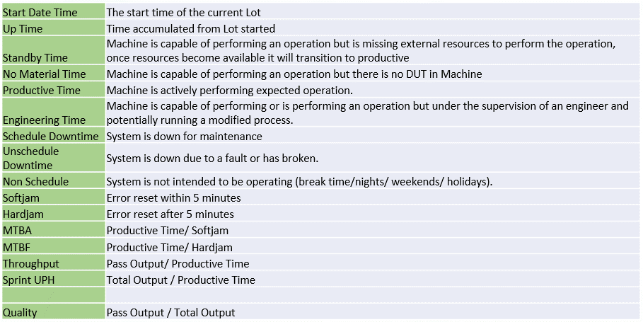
Tag Name | Data Type | Description | Need Record In Log File When Reset OEE
Lot_OEE_Tags.str_HMI_OEEStartDateTime | String | PLC Set OEE Start Date Time | Yes
Lot_OEE_Tags.dint_MachineUpTimeAccSec | Dint | PLC Prodive in Seconds Format, HMI divide into Hour, Min & Sec | Yes
Lot_OEE_Tags.dint_MachineStandbyTimeAccSec | Dint | PLC Prodive in Seconds Format, HMI divide into Hour, Min & Sec | Yes
Lot_OEE_Tags.dint_NoMaterialTimeAccSec | Dint | PLC Prodive in Seconds Format, HMI divide into Hour, Min & Sec | Yes
Lot_OEE_Tags.dint_MachineProductiveTimeAccSec | Dint | PLC Prodive in Seconds Format, HMI divide into Hour, Min & Sec | Yes
Lot_OEE_Tags.dint_MachineEngineeringTimeAccSec | Dint | PLC Prodive in Seconds Format, HMI divide into Hour, Min & Sec | Yes
Lot_OEE_Tags.dint_MachineScheduledDownTimeAccSec | Dint | PLC Prodive in Seconds Format, HMI divide into Hour, Min & Sec | Yes
Lot_OEE_Tags.dint_MachineUnscheduledDownTimeAccSec | Dint | PLC Prodive in Seconds Format, HMI divide into Hour, Min & Sec | Yes
Lot_OEE_Tags.dint_MachineNonScheduledTimeAccSec | Dint | PLC Prodive in Seconds Format, HMI divide into Hour, Min & Sec | Yes
Lot_OEE_Tags.dint_SoftJam | Dint | Machine soft jam duration | Yes
Lot_OEE_Tags.dint_HardJam | Dint | Machine hard jam duration | Yes
Lot_OEE_Tags.dint_MTBASec | Dint | PLC Prodive in Seconds Format, HMI divide into Hour, Min & Sec | Yes
Lot_OEE_Tags.dint_MTBFSec | Dint | PLC Prodive in Seconds Format, HMI divide into Hour, Min & Sec | Yes
Lot_OEE_Tags.dint_Throughput | Dint |  | Yes
Lot_OEE_Tags.dint_SprintUPH | Dint |  | Yes
Lot_OEE_Tags.dint_Quality | Dint |  | Yes

Lot_OEE_Tags.bool_SyncTime | Bool | HMI trigger on to sync PLC time with PC time
Lot_OEE_Tags.str_SyncDay | STRING | HMI write Day
Lot_OEE_Tags.str_SyncHour | STRING | HMI write Hour
Lot_OEE_Tags.str_SyncMin | STRING | HMI write Minute
Lot_OEE_Tags.str_SyncMonth | STRING | HMI write Month
Lot_OEE_Tags.str_SyncNanoSec | STRING | HMI write NanoSec
Lot_OEE_Tags.str_SyncSec | STRING | HMI write Second
Lot_OEE_Tags.str_SyncYear | STRING | HMI write Year

Lot_OEE_Tags.dint_Total_Pass | Dint | Total Pass | Yes
Lot_OEE_Tags.dint_Total_Fail | Dint | Total Fail | Yes
Lot_OEE_Tags.dint_TotalProductiveUnit | Dint | Total Productive Unit | Yes
ShortShot_Fail_Qty | dint | Short Shot Fail | Yes
OMFF_Fail_Qty | dint | OMFF Fail | Yes
BrownStrainF_Fail_Qty | dint | Brown Strain Front Fail | Yes
BatClipSurface_Fail_Qty | dint | Battery Clip Surface Fail | Yes
Flashing_Fail_Qty | dint | Flashing Fail | Yes
FOD_Fail_Qty | dint | FOD Fail | Yes
BugBubble_Fail_Qty | dint | Live Bug Bubble Fail | Yes
BrownStrainB_Fail_Qty | dint | Brown Strain Back Fail | Yes
MouseBite_Fail_Qty | dint | Mouse Bite Fail | Yes
TurretNest_A.Socket_Yield | Real | Socket A Yield | Yes
TurretNest_B.Socket_Yield | Real | Socket B Yield | Yes
TurretNest_C.Socket_Yield | Real | Socket C Yield | Yes
TurretNest_D.Socket_Yield | Real | Socket D Yield | Yes
TurretNest_E.Socket_Yield | Real | Socket E Yield | Yes
TurretNest_F.Socket_Yield | Real | Socket F Yield | Yes
TurretNest_G.Socket_Yield | Real | Socket G Yield | Yes
TurretNest_H.Socket_Yield | Real | Socket H Yield | Yes

7.Motor Page General Layout
Engineering Mode Button Must ON to display below items:
Current Position

Home Spd1
Home Done
 |  | Read Only, indicate with different colour to indicate On or Off
Home Spd 2
HomeBusy
Start Home
 |  | Read Only
 |  | Press once ON, change colour to indicate turned ON.
 |  | When colour changed, user click, turn Off
Cancel Home
 |  | Press once ON, change colour to indicate turned ON.
 |  | When colour changed, user click, turn Off

Move Abs Position
Move Abs
ACC
Stop
 |  | Press once ON, change colour to indicate turned ON.
 |  | When colour changed, user click, turn Off
 |  | Press once ON, change colour to indicate turned ON. | Display Only When HomeDone ON
DCC
Move Busy
 |  | When colour changed, user click, turn Off
 |  | Read Only, indicate with different colour to indicate On or Off
Frequency
Reached
 |  | Read Only, indicate with different colour to indicate On or Off

Jog ACC
Jog Fwd
 |  | Press On, Release Off.
Jog DCC
Jog Bwd
 |  | Press On, Release Off.
Jog Spd

Pos 1
 | Read and Write
Pos 2
 | Read and Write
Pos 3
 | Read and Write
Save Changes
 | Save text box binded in blue colour above. Write to Config XML

Save To Csv
 | Record text box value binded in blue colour above to csv file/ duplicate config xml file to backup folder

1
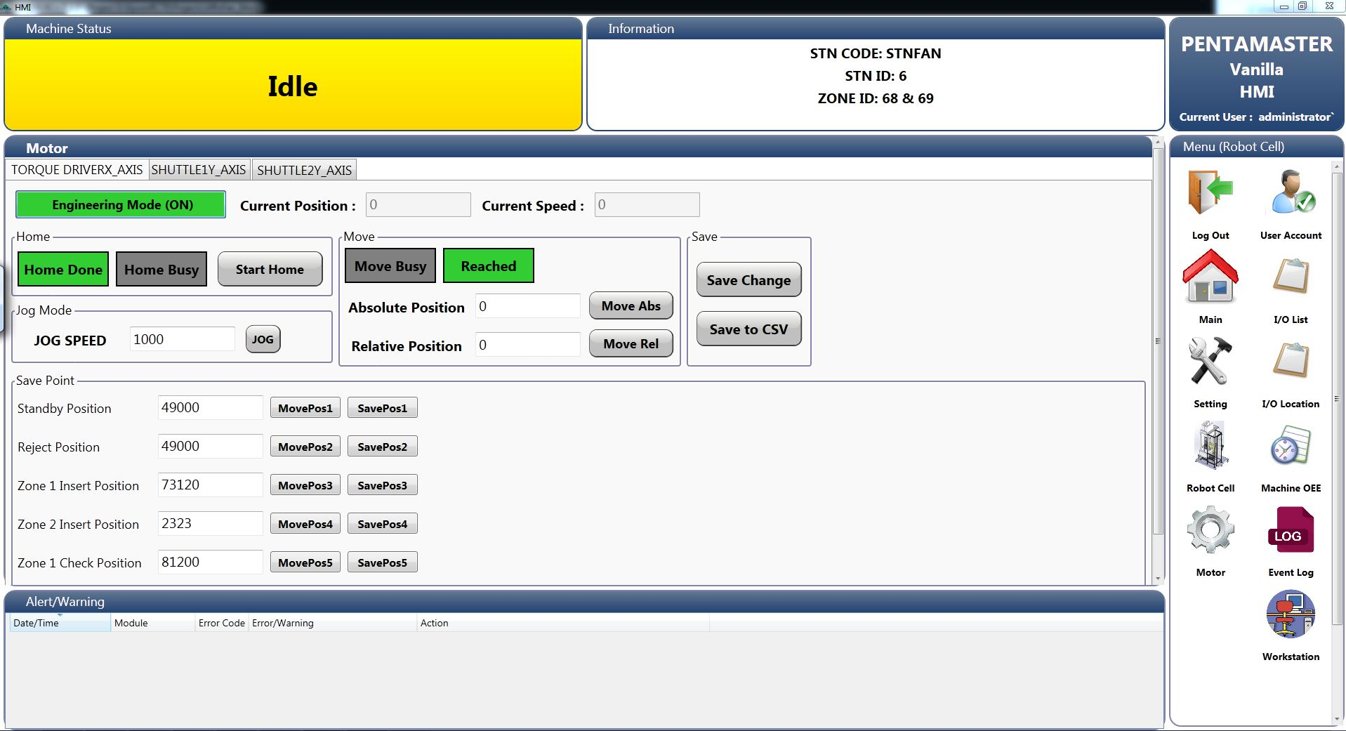
Engineering Mode (ON)
Current Position :
Current Speed :
Export Current Points :
Export

Home
2
Home Done
Start Home
4

Move
3
Jog Mode
1
Motor Status :
Move Busy
2
3
Jog Speed :
Jog (On)
Absolute Position :
Move Absolute
Note :
Press Stop button to Jog Forward
Press Reset button to Jog Backward
Relative Position :
Move Relative
4

5

Save Point
5
Robot Pick Position :
Move to Point
Save Entered Point
Save Current Point

Robot Place Position :
Move to Point
Save Entered Point
Save Current Point

Z1 Place Position :
Move to Point
Save Entered Point
Save Current Point

Z2 Place Position :
Move to Point
Save Entered Point
Save Current Point

 | Changes:
 | 1. Save point as file to move to top left corner and rename as Export Current Points
 | 2. Home Done and Home Busy labels to change to 1 label then change text and background color according to condition
 | 3. Move Busy and Reached labels to change to 1 label then change text and background color according to condition
 | 4. Jog Mode to re-layout and add description
 | 5. Rename buttons and add additional buttons for each points. Save Entered Point is to save point entered in the save point text box, Save Current Point is to save point display in the current position text box.

7.1Motor Page
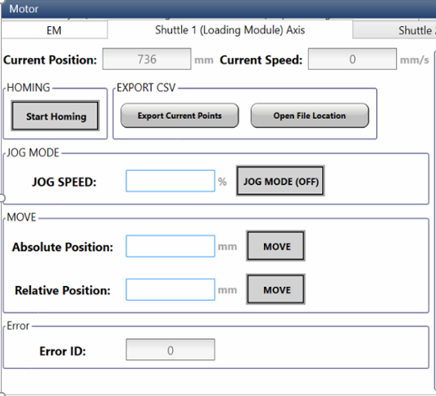
Axis 01 Right Shuttle
Axis_1_Shuttle_Right.CurrentPos | REAL (Read)
Axis_1_Shuttle_Right.CurrentVelocity | REAL (Read)
Axis_1_Shuttle_Right.HomeReq | BOOL (Read+Write)
Axis_1_Shuttle_Right.HomeDone | BOOL (Read)
Axis_1_Shuttle_Right.MoveAbsolutePos | REAL (Read+Write)
Axis_1_Shuttle_Right.MoveAbsolute | BOOL (Read+Write)
Axis_1_Shuttle_RightRelativePos | REAL (Read+Write)
Axis_1_Shuttle_Right.MoveRelative | BOOL (Read+Write)
Axis_1_Shuttle_Right.ManualJog | BOOL (Read+Write)
Axis_1_Shuttle_Right.JogVelocity | REAL (Read+Write)
Axis_1_Shuttle_Right.AxisErrorID | SINT (Read)
Axis_1_Shuttle_Right_MaximumPos | 795
Axis_1_Shuttle_Right_MinimumPos | 0
Axis 02 Left Shuttle
Axis_2_Shuttle_Left.CurrentPos | REAL (Read)
Axis_2_Shuttle_Left.CurrentVelocity | REAL (Read)
Axis_2_Shuttle_Left.HomeReq | BOOL (Read+Write)
Axis_2_Shuttle_Left.HomeDone | BOOL (Read)
Axis_2_Shuttle_Left.MoveAbsolutePos | REAL (Read+Write)
Axis_2_Shuttle_Left.MoveAbsolute | BOOL (Read+Write)
Axis_2_Shuttle_Left.RelativePos | REAL (Read+Write)
Axis_2_Shuttle_Left.MoveRelative | BOOL (Read+Write)
Axis_2_Shuttle_Left.ManualJog | BOOL (Read+Write)
Axis_2_Shuttle_Left.JogVelocity | REAL (Read+Write)
Axis_2_Shuttle_Left.AxisErrorID | SINT (Read)
Axis_2_Shuttle_Left_MaximumPos | 795
Axis_2_Shuttle_Left_MinimumPos | 0
Axis 06 Stacker Motor
Axis_6_Stacker_Motor.CurrentPos | REAL (Read)
Axis_6_Stacker_Motor.CurrentVelocity | REAL (Read)
Axis_6_Stacker_Motor.HomeReq | BOOL (Read+Write)
Axis_6_Stacker_Motor.HomeDone | BOOL (Read)
Axis_6_Stacker_Motor.MoveAbsolutePos | REAL (Read+Write)
Axis_6_Stacker_Motor.MoveAbsolute | BOOL (Read+Write)
Axis_6_Stacker_Motor.RelativePos | REAL (Read+Write)
Axis_6_Stacker_Motor.MoveRelative | BOOL (Read+Write)
Axis_6_Stacker_Motor.ManualJog | BOOL (Read+Write)
Axis_6_Stacker_Motor.JogVelocity | REAL (Read+Write)
Axis_6_Stacker_Motor.AxisErrorID | SINT (Read)
Axis_6_Stacker_Motor_MaximumPos | 10970
Axis_6_Stacker_Motor_MinimumPos | 0
Axis 07 Right Destacker Motor
Axis_7_Destacker_RMotor.CurrentPos | REAL (Read)
Axis_7_Destacker_RMotor.CurrentVelocity | REAL (Read)
Axis_7_Destacker_RMotor.HomeReq | BOOL (Read+Write)
Axis_7_Destacker_RMotor.HomeDone | BOOL (Read)
Axis_7_Destacker_RMotor.MoveAbsolutePos | REAL (Read+Write)
Axis_7_Destacker_RMotor.MoveAbsolute | BOOL (Read+Write)
Axis_7_Destacker_RMotor.RelativePos | REAL (Read+Write)
Axis_7_Destacker_RMotor.MoveRelative | BOOL (Read+Write)
Axis_7_Destacker_RMotor.ManualJog | BOOL (Read+Write)
Axis_7_Destacker_RMotor.JogVelocity | REAL (Read+Write)
Axis_7_Destacker_RMotor.AxisErrorID | SINT (Read)
Axis_7_Destacker_RMotor_MaximumPos | 10990
Axis_7_Destacker_RMotor_MinimumPos | 0
Axis 08 Left Destacker Motor
Axis_8_Destacker_LMotor.CurrentPos | REAL (Read)
Axis_8_Destacker_LMotor.CurrentVelocity | REAL (Read)
Axis_8_Destacker_LMotor.HomeReq | BOOL (Read+Write)
Axis_8_Destacker_LMotor.HomeDone | BOOL (Read)
Axis_8_Destacker_Lmotor.MoveAbsolutePos | REAL (Read+Write)
Axis_8_Destacker_LMotor.MoveAbsolute | BOOL (Read+Write)
Axis_8_Destacker_LMotor.RelativePos | REAL (Read+Write)
Axis_8_Destacker_LMotor.MoveRelative | BOOL (Read+Write)
Axis_8_Destacker_LMotor.ManualJog | BOOL (Read+Write)
Axis_8_Destacker_LMotor.JogVelocity | REAL (Read+Write)
Axis_8_Destacker_LMotor.AxisErrorID | SINT (Read)
Axis_8_Destacker_LMotor_MaximumPos | 10990
Axis_8_Destacker_LMotor_MinimumPos | 0

11.Station Cycle Mode
Module | Standard Feature | Tag Name | Data Type | Type | No | Description | Tag Name | Data Type | Type | Conditions
Input Robot | Jog Mode Switch | HMI_StationJogMode_InputRobot | BOOL | Toggle Sw | 1 | Pick From Left Shuttle | HMI_Input_PickFromLShuttle | BOOL | Button | Read and Write Button – Press to start test sequence. Wait PLC to False, when True grey out all buttons
 | Station Cycle Mode Switch | HMI_StationCycleMode_InputRobot | BOOL | Toggle Sw | 2 | Pick From Right Shuttle | HMI_Input_PickFromRShuttle | BOOL | Button
 | Station Init Status | System2_MC_Tag.MachineInitDone | BOOL | Indicator | 3 | Place to Turret | HMI_Input_PlaceToTurret | BOOL | Button
 | Station Start Init Button | System2_MC_Tag.MachineInit | BOOL | Button | 4 | Row No | HMI_Input_RowNo | INT | Key In Num
 |  |  |  |  | 5 | Column No | HMI_Input_ColumnNo | INT | Key In Num

 | Station Cycle Mode Grey Out when 1. Log in below Engineer access level 2. When New Lot Created

Design | 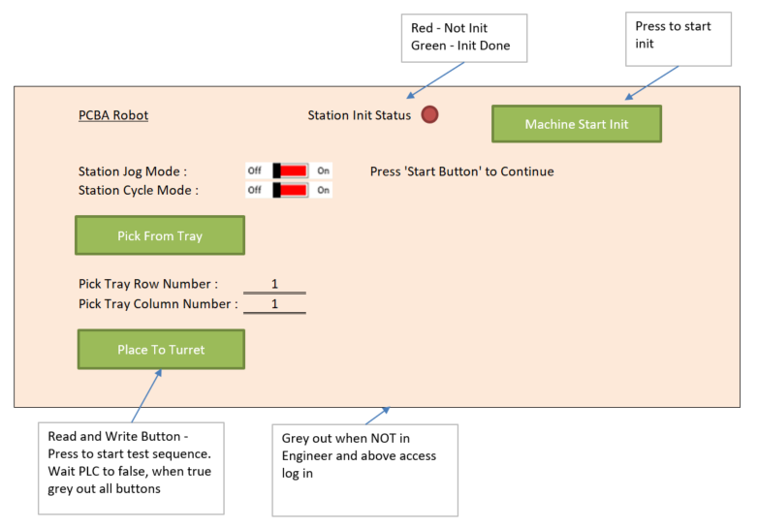

Module | Standard Feature | Tag Name | Data Type | Type | No | Description | Tag Name | Data Type | Type | Conditions
Output Robot | Jog Mode Switch | HMI_StationJogMode_OutputRobot | BOOL | Toggle Sw | 1 | Pick From Turret | HMI_Output_PickFromTurret | BOOL | Button | Read and Write Button – Press to start test sequence. Wait PLC to False, when True grey out all buttons
 | Station Cycle Mode Switch | HMI_StationCycleMode_OutputRobot | BOOL | Toggle Sw | 2 | Place to Tray | HMI_Output_PlaceToTray | BOOL | Button
 | Station Init Status | System2_MC_Tag.MachineInitDone | BOOL | Indicator | 3 | Row No | HMI_Output_RowNo | INT | Key In Num
 | Station Start Init Button | System2_MC_Tag.MachineInit | BOOL | Button | 4 | Column No | HMI_Output_ColumnNo | INT | Key In Num

 | Station Cycle Mode Grey Out when 1. Log in below Engineer access level 2. When New Lot Created

Design | 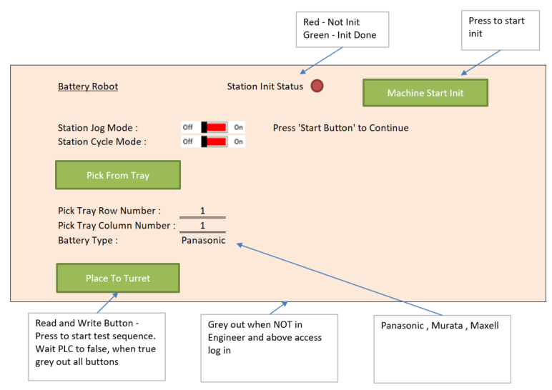
 | Al

Module | Standard Feature | Tag Name | Data Type | Type | No | Description | Tag Name | Data Type | Type | Conditions
Input Rack | Jog Mode Switch | HMI_StationJogMode_PCBARack | BOOL | Toggle Sw | 1
 | Station Cycle Mode Switch | HMI_StationCycleMode_PCBARack | BOOL | Toggle Sw | 2
 | Station Init Status | System2_MC_Tag.MachineInitDone | BOOL | Indicator | 3
 | Station Start Init Button | System2_MC_Tag.MachineInit | BOOL | Button | 4
 |  |  |  |  | 5

 | Station Cycle Mode Grey Out when 1. Log in below Engineer access level 2. When New Lot Created

Design

Module | Standard Feature | Tag Name | Data Type | Type | No | Description | Tag Name | Data Type | Type | Conditions
Output Rack | Jog Mode Switch | HMI_StationJogMode_OutputRack | BOOL | Toggle Sw | 1
 | Station Cycle Mode Switch | HMI_StationCycleMode_OutputRack | BOOL | Toggle Sw | 2
 | Station Init Status | System2_MC_Tag.MachineInitDone | BOOL | Indicator | 3
 | Station Start Init Button | System2_MC_Tag.MachineInit | BOOL | Button | 4
 |  |  |  |  | 5

 | Station Cycle Mode Grey Out when 1. Log in below Engineer access level 2. When New Lot Created

Design

Module | Standard Feature | Tag Name | Data Type | Type | No | Description | Tag Name | Data Type | Type | Conditions
Rotary Table | Station Cycle Mode Switch | HMI_StationCycleMode_Rotary | BOOL | Toggle Sw | 1 | Turret Index | HMI_Turret_Index | BOOL | Button

 | Station Cycle Mode Grey Out when 1. Log in below Engineer access level 2. When New Lot Created

Design

13. Log File
